Job Details

Job Number & Name: | 35084 LB Bexley
Site Number/Name: | Site 6 - Wickham Street (East)
Client: | Waterman
Date: | 2023-03-30

Site Plan
Advanced Transport Research |  |  | Job Number & Name: | 35084 LB Bexley
Site 6 - Wickham Street (East) |  |  | Date: | 2023-03-30

Job Type: | Pedestrian & Vehicle Count
Co-ordinates: | 51°28'7.09"N, 0° 6'8.86"E | Postcode: | DA16 3BP |  | Times: | 0730-0930 1430-1630

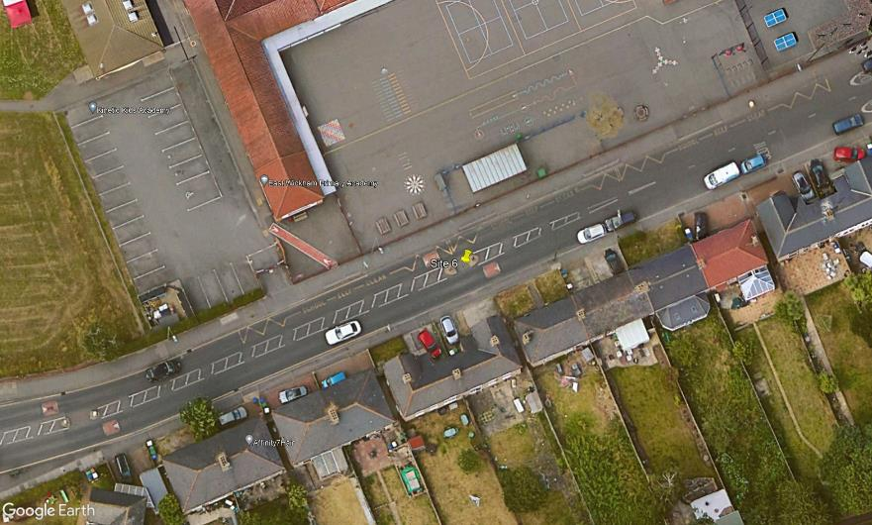
N

Wickham Street
3

A
B

C

D

2
1

